1. Title Page
[Project Name]

Project Name: Instacart Basket Analysis
Date: 05-2024
Analyst Name: Adewale Omotosho Amao

Contents:
Population Flow
Consistency checks
Wrangling steps
Column derivations
Visualizations
Recommendations

2. Population Flow
Title page

Population flow

Exclusion flag
Condition: max_order <
Obervations to be removed:
Final total count of order_products_all:

Orders_products_combined
Orders_products_merged
Orders_products_all

Total: 32,399,732
Total:32,434,489
Total: 32,399,732

1.) The grey boxes in the first row of the population flow represent the original data sets as they were when you downloaded them. In the Total fields you need to add the count of the rows when you imported the data set into Jupyter.
2.) The second row of boxes (coloured) represents the data sets after you manipulated them, e.g., removed missing values and duplicates. In the Total fields you need to add the count of the rows after conducting these operations. This offers a visual oveview of how the data flows throughout the data consistency checks.
3.) The third row, where also the arrows are coloured, represents the merges you performed between the datasets. In the Total fields you need to add the count of the rows in the merged datasets, so that you end up with the final dataset (in the red box). Keep in mind the final dataset should be without exclusions (based on the exclusion flag).

3. Consistency checks
 |  |  |  | Title page
Consistency checks

Dataset | Missing values | Missing values treatment | Duplicates
orders | 206,209 in "days_since_prior_order" | Replaced with the median value '7' | No duplicate values found
products | 16 in "prodcuts_name" | They were removed because they are strings and can't be manipulated or imputed. | 5 duplicate values removed
orders_products_prior | none | none | none
customers | none | none | none
ords_prods_ | none | none | none

4. Wrangling steps
 |  |  |  | Title page
Wrangling steps

Columns dropped | Columns renamed | Columns' type changed | Comment/Reason
eval_set |  |  | not relevant to the analysis
 | orders_dow' changed to 'orders_day_of_week |  | more comprehensive
 | days_since_prior_order' changed to 'days_since_last_order |  | more comprehensive
first_name |  |  | addressing data security implications
surname |  |  | addressing data security implications
date_joined |  |  | not relevant to the analysis
 | Surnam' changed to 'surname' |  | more comprehensive
 | Gender' changed to 'gender' |  | more comprehensive
 | "STATE' changed to 'state' |  | more comprehensive
 | Age' changed to 'age' |  | more comprehensive
 | n_dependants' changed to 'num_dependents' |  | more comprehensive
 | fam_status' chsnged to 'marital_status' |  | more comprehensive
 | First Name' changed to 'first_name' |  | more comprehensive

5. Column derivations
 |  |  |  | Title page

Column derivations and aggregations

In this tab you should add tables below that the frequences of flags/label variables that you produced after deriving them. NB: don't do this for continuous variables, only for flags.
Dataset | New column | Column/s it was derived from | Conditions
ords_prod_merge | busiest_day | orders_day_of_week | # using for ' Loop through the 'orders_day_of_week' column for day in ords_prods_merge['orders_day_of_week']: if day == 0: busiest_day_labels.append('Busiest day') elif day == 4: busiest_day_labels.append('Least busy') else: busiest_day_labels.append('Regularly busy')
ords_prod_merge | busiest_period_of_day | orders_hour_of_day | ords_prods_merge['busiest_period_of_day'] = ords_prods_merge['order_hour_of_day'].apply( lambda x: 'Most orders' if x in most_orders_hours else ('Fewest orders' if x in fewest_orders_hours else 'Average orders') )
ords_prod_merge | max_order | user_id + order_number | ords_prods_merge['max_order'] = ords_prods_merge.groupby('user_id')['order_number'].transform('max')
ords_prod_merge | loyalty_flag | max_order | ords_prods_merge.loc[ords_prods_merge['max_order'] > 40, 'loyalty_flag'] = 'Loyal customer' ords_prods_merge.loc[(ords_prods_merge['max_order'] > 10) & (ords_prods_merge['max_order'] <= 40), 'loyalty_flag'] = 'Regular customer' ords_prods_merge.loc[ords_prods_merge['max_order'] <= 10, 'loyalty_flag'] = 'New customer'
ords_prod_merge | spending_flag | mean_price | ords_prods_merge.loc[ords_prods_merge['mean_price'] < 10, 'spending_flag'] = 'Low spender' ords_prods_merge.loc[ords_prods_merge['mean_price'] >= 10, 'spending_flag'] = 'High spender'
ords_prod_merge | median_days_since_last_order | user_id + days_since_last_order | ords_prods_merge['median_days_since_last_order'] = ords_prods_merge.groupby('user_id')['days_since_last_order'].transform('median')
ords_prod_merge | order_frequency_flag | median_days_since_last_order | ords_prods_merge.loc[ords_prods_merge['median_days_since_last_order'] > 20, 'order_frequency_flag'] = 'Non-frequent customer' ords_prods_merge.loc[(ords_prods_merge['median_days_since_last_order'] > 10) & (ords_prods_merge['median_days_since_last_order'] <= 20), 'order_frequency_flag'] = 'Regular customer' ords_prods_merge.loc[ords_prods_merge['median_days_since_last_order'] <= 10, 'order_frequency_flag'] = 'Frequent customer'
merged_df | region | state | merged_df.loc[merged_df['state'].isin(northeast_region), 'region'] = 'Northeast' merged_df.loc[merged_df['state'].isin(midwest_region), 'region'] = 'Midwest' merged_df.loc[merged_df['state'].isin(south_region), 'region'] = 'South' merged_df.loc[merged_df['state'].isin(west_region), 'region'] = 'West'
merged_df | exclusion_flag | max_order | merged_df['exclusion_flag'] = np.where(merged_df['max_order'] < 5, 'Exclude', 'Keep')
merged_df | Age_group_profiling | age | filtered_new_df.loc[filtered_new_df['age'] <= 25, 'age_group'] = 'Young Adult' filtered_new_df.loc[(filtered_new_df['age'] > 25) & (filtered_new_df['age'] < 45), 'age_group'] = 'Adult' filtered_new_df.loc[(filtered_new_df['age'] >= 45) & (filtered_new_df['age'] < 65), 'age_group'] = 'Older Adult' filtered_new_df.loc[filtered_new_df['age'] >= 65, 'age_group'] = 'Senior'
merged_df | income_group_profiling | income | filtered_new_df.loc[filtered_new_df['income'] <= 50000, 'income_group'] = 'Low' filtered_new_df.loc[(filtered_new_df['income'] > 50000) & (filtered_new_df['income'] <= 100000), 'income_group'] = 'Middle' filtered_new_df.loc[filtered_new_df['income'] > 100000, 'income_group'] = 'High'
merged_df | depandants_flag | num_dependents | filtered_new_df.loc[filtered_new_df['num_dependents'] == 0, 'dependants_flag'] = 'No Dependants' filtered_new_df.loc[filtered_new_df['num_dependents'] > 0, 'dependants_flag'] = 'Has Dependants'

6. Visualizations
Title page
In this tab you should include all the visualtions from Exercises 4.9 and 4.10, alongside the questions from the project brief that they answer. Include any commentary on the relationship between different variables.
Visualisations

Instacart Numbers of Orders by Days of the Week
Instacart Numbers of Orders by Hour of the Day
Key Question:
"The sales team needs to know what the busiest days of the week and hours of the day are (i.e., the days and times with the most orders) in order to schedule ads at times when there are fewer orders".
Bar chart Visualization:
The majority of orders are placed on Saturdays and Sundays (days zero and one). Orders are significantly lowered during the working week, with the fewest occurring on Tuesday and Wednesday (days 3 and 4).
Histogram Visualization:
The majority of orders are placed between 9 a.m. and 4 p.m., showing that most clients order during their lunch periods or shortly after work. It is worth noticing that few orders are placed before 9 a.m., which could indicate that some consumers have different work schedules or that this is a popular time for shopping on work-free days (such as weekends).
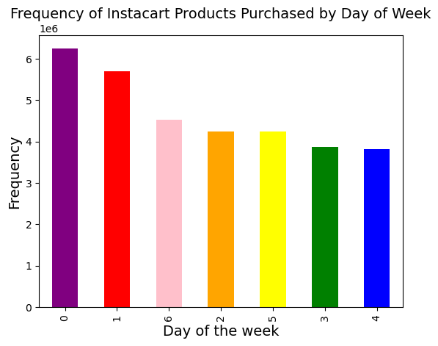


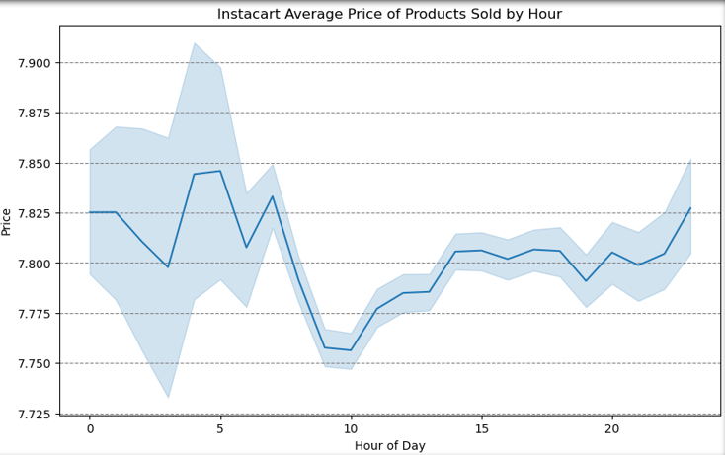
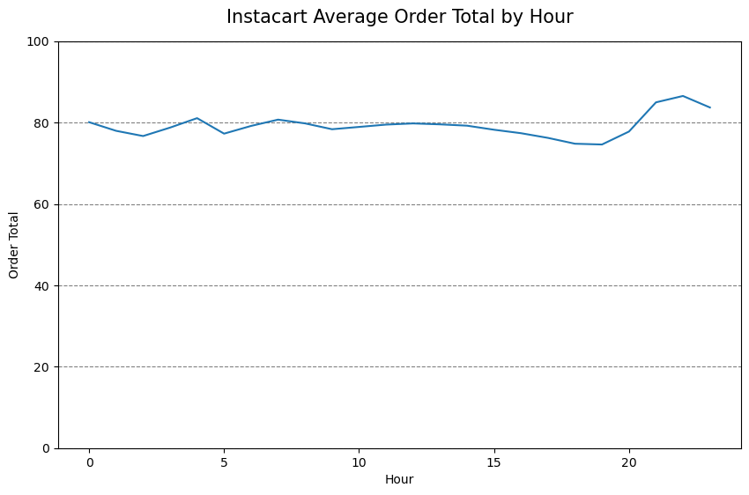
Key Question:
"They also want to know whether there are particular times of the day when people spend the most money, as this might inform the type of products they advertise at these times".
Line graph on the left:
The visual depicts the average pricing of products sold at various times of the day. The average peaks between 4 and 5 a.m., with continued consistency in the afternoon and late at night. However, there was a significant reduction in product sales between 7 and 10 a.m.
Line graph on the right:
This visual depicts the average order total per hour of the day. Overall, no significant change was noticed.

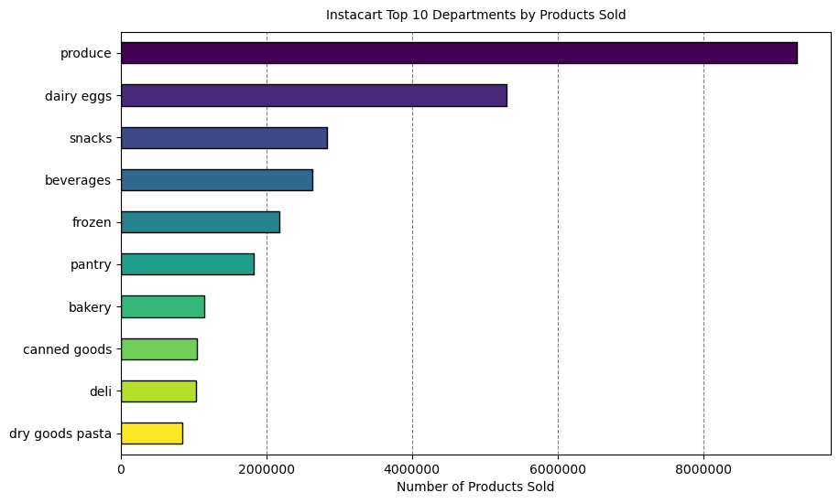

Key Question:
"Are there certain types of products that are more popular than others? The marketing and sales teams want to know which departments have the highest frequency of product orders."
Bar Chart Visualization:
The bar chart visualization illustrates that the top ten most popular products are in the 'produce' category. The following most requested product categories by departments are 'dairy eggs','snacks', 'beverages', and 'frozen' products..

Key Question:
"What’s the distribution among users in regards to their brand loyalty (i.e., how often do they return to Instacart)"?
Bar chart on the left:
There are considerably more new consumers than regular or loyal customers, implying recent expansion from public awareness or advertising campaigns.
Bar chart on the right:
Regular and loyal clients appear to have contributed significantly more to Instacart Basket's sales (number of products or items purchased), owing to the way loyalty status is calculated in commercial settings.
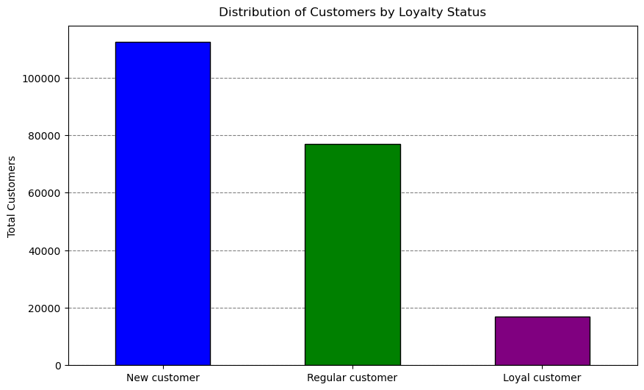
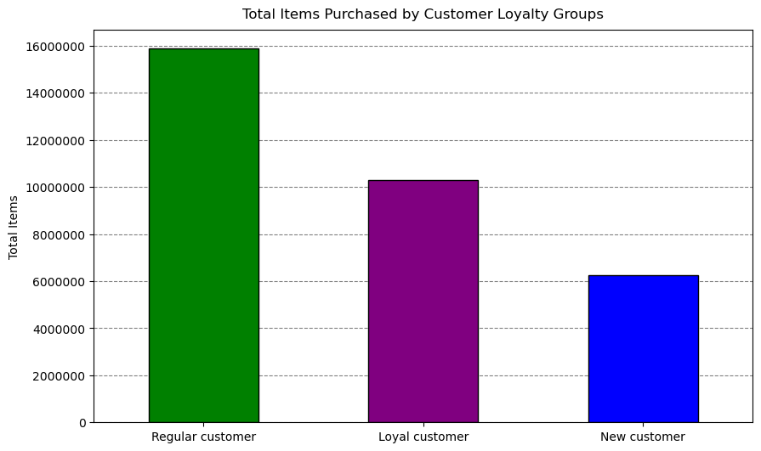

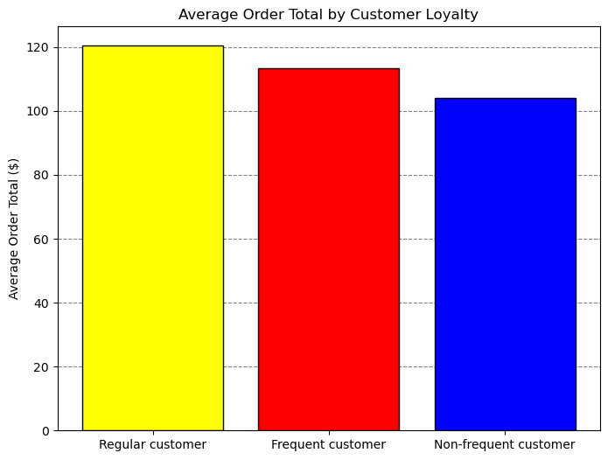
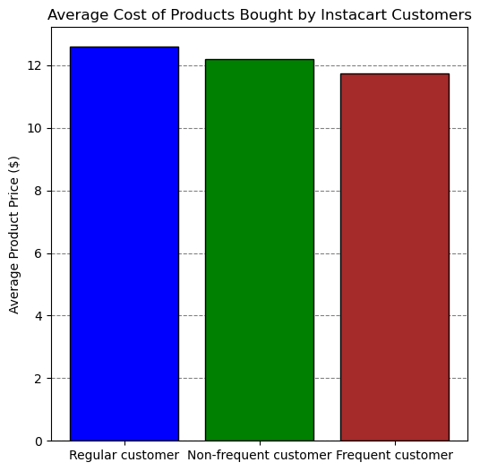
Key Question:
"Are there differences in ordering habits based on a customer's loyalty status"?
Interpretation:
The images on the left indicate the average order total for Instacart clients. Loyalty showed that regular customers contributed the most compared to loyal (frequent) customers. For the picture on the right, which depicts the average cost of products purchased by Instacart customers, regular and new (non-frequent) consumers contributed the most, with loyal (frequent) customers contributing significantly less. It appears that loyalty status is not a predictor of certain ordering patterns, and further investigation into other ordering habits is warranted.

Key Question:
"Are there differences in ordering habits based on a customer's region"?
Column char on the left:
The southern region acquired the most products, followed by the western states, most likely due to the higher concentration of clients in these two regions.
Column chart on the right:
This chart depicts the average order total per client, and there was no significant variance across regions. However, the Midwest has the greatest average order total per customer. Probably, geographic regions do not truly show specific ordering preferences. Further investigation is recommended.
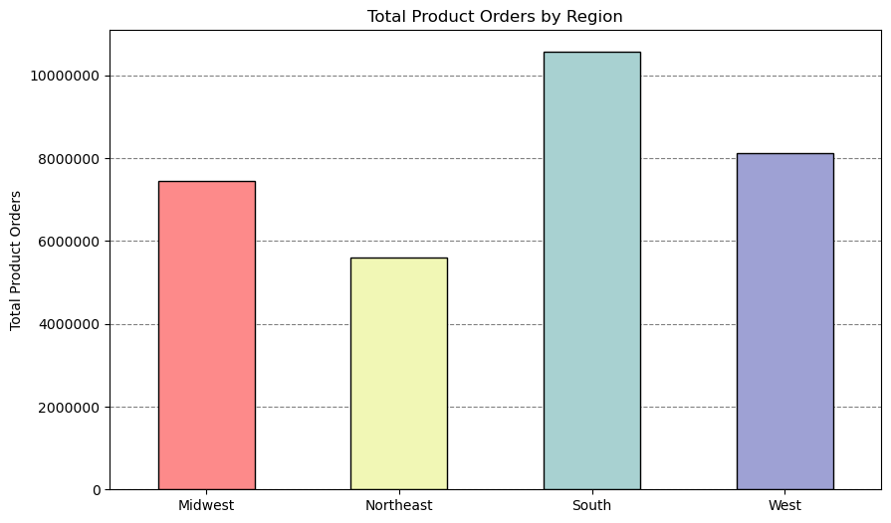
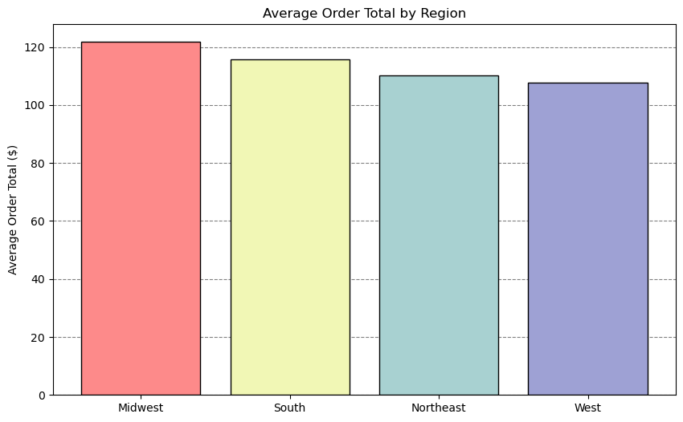

Key Question:
"What different classifications does the demographic information suggest?
The pie chart visualizations depicted the segmentation of Instacart's customer base based on three distinct profiling variables. Age: The age grouping was arbitrary and based primarily on intuition. The vast majority of Instacart's customers are in the Older Adult and Adult category. Income: The income grouping was determined using the Statista website's (Distribution of household income U.S. 2022 | Statista) distribution of family income in the United States in 2022. The goal is to separate Instacart consumers into low-, middle-, and high-income earners. The bulk of Instacart's clients have high or moderate incomes. Dependents: This classification indicates whether a customer has dependents. 75% of Instacart customers have dependents.
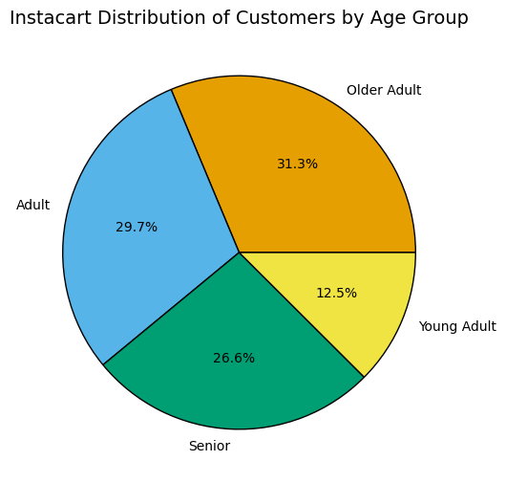
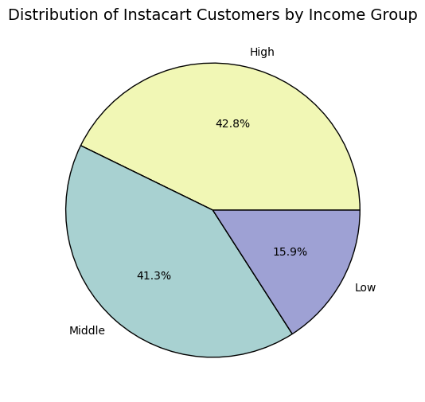
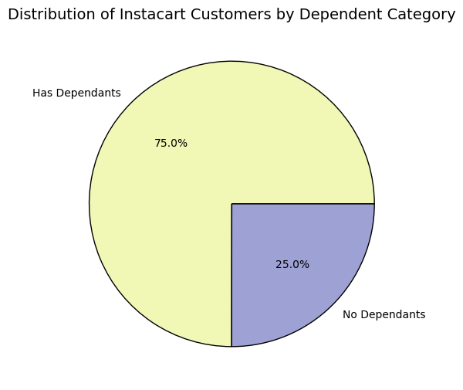

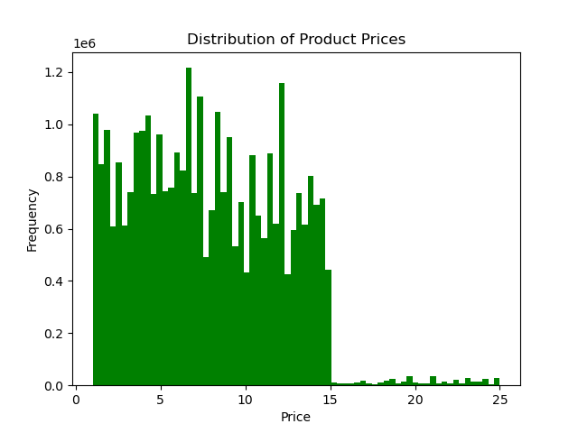
Key Question:
"Instacart has a lot of products with different price tags. Marketing and sales want to use simpler price range groupings to help direct their efforts".
Price ranges have been added to each product and classified accordingly: Low range: equal to or less than $5. Mid-range: more than $5 but less than or equal to $15. High-range: more than $15. The majority of Instacart's products sold are at low to mid-range prices. This knowledge could help Instacart Basket's marketing and sales departments focus their efforts on making educated judgments about their marketing strategies.

Key Question: "What differences can you find in ordering habits of different customer profiles? consider the price of orders, frequency of orders, products customers are ordering, and anything else you can think of".
Cross Tabs Analysis Overview:
The following insights were derived from the cross tabs analysis conducted in Exercise 4.10 to assess Instacart customers' ordering behaviours, including average order amount and frequency.
Age Group:
Finding: There is no significant difference in spending patterns across different age categories.
Implication: Marketing strategies do not need to be heavily segmented by age since spending habits are relatively uniform.
Family Statuses:
Finding: There is no significant difference in spending between consumers with and without dependents.
Implication: Family status does not drastically alter spending behaviour, allowing for unified marketing approaches to both segments.
Income Level:
Finding: Significant differences were observed:
High-Earners: Spend the most per order, averaging about $165, nearly twice as much as middle earners.
Middle-Earners: Average spend is roughly $83 per order.
Low-Income Earners: Spend significantly less per order, averaging $49.
Frequency of Orders:
Low-income clients purchase less frequently compared to middle and high-income earners.
Implication:
High-income customers are a critical segment for high-value product marketing.
Strategies to increase the frequency of orders from low-income customers could boost overall sales.

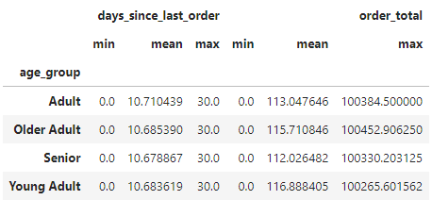
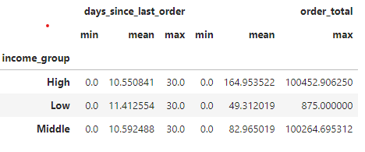


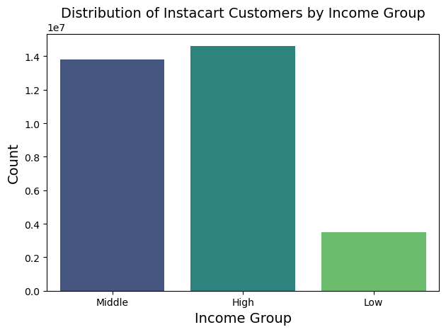
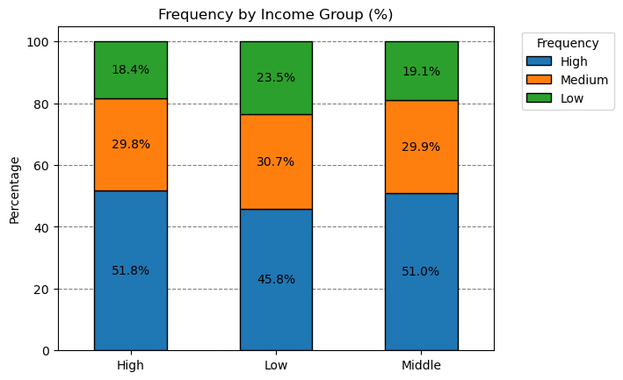

Distinct spending patterns of Instacart customers, considering income levels, age groups, and family statuses, and how can this information be used to tailor marketing and promotional strategies?

AGE GROUPS
INCOME LEVELS
FAMILY STATUSES

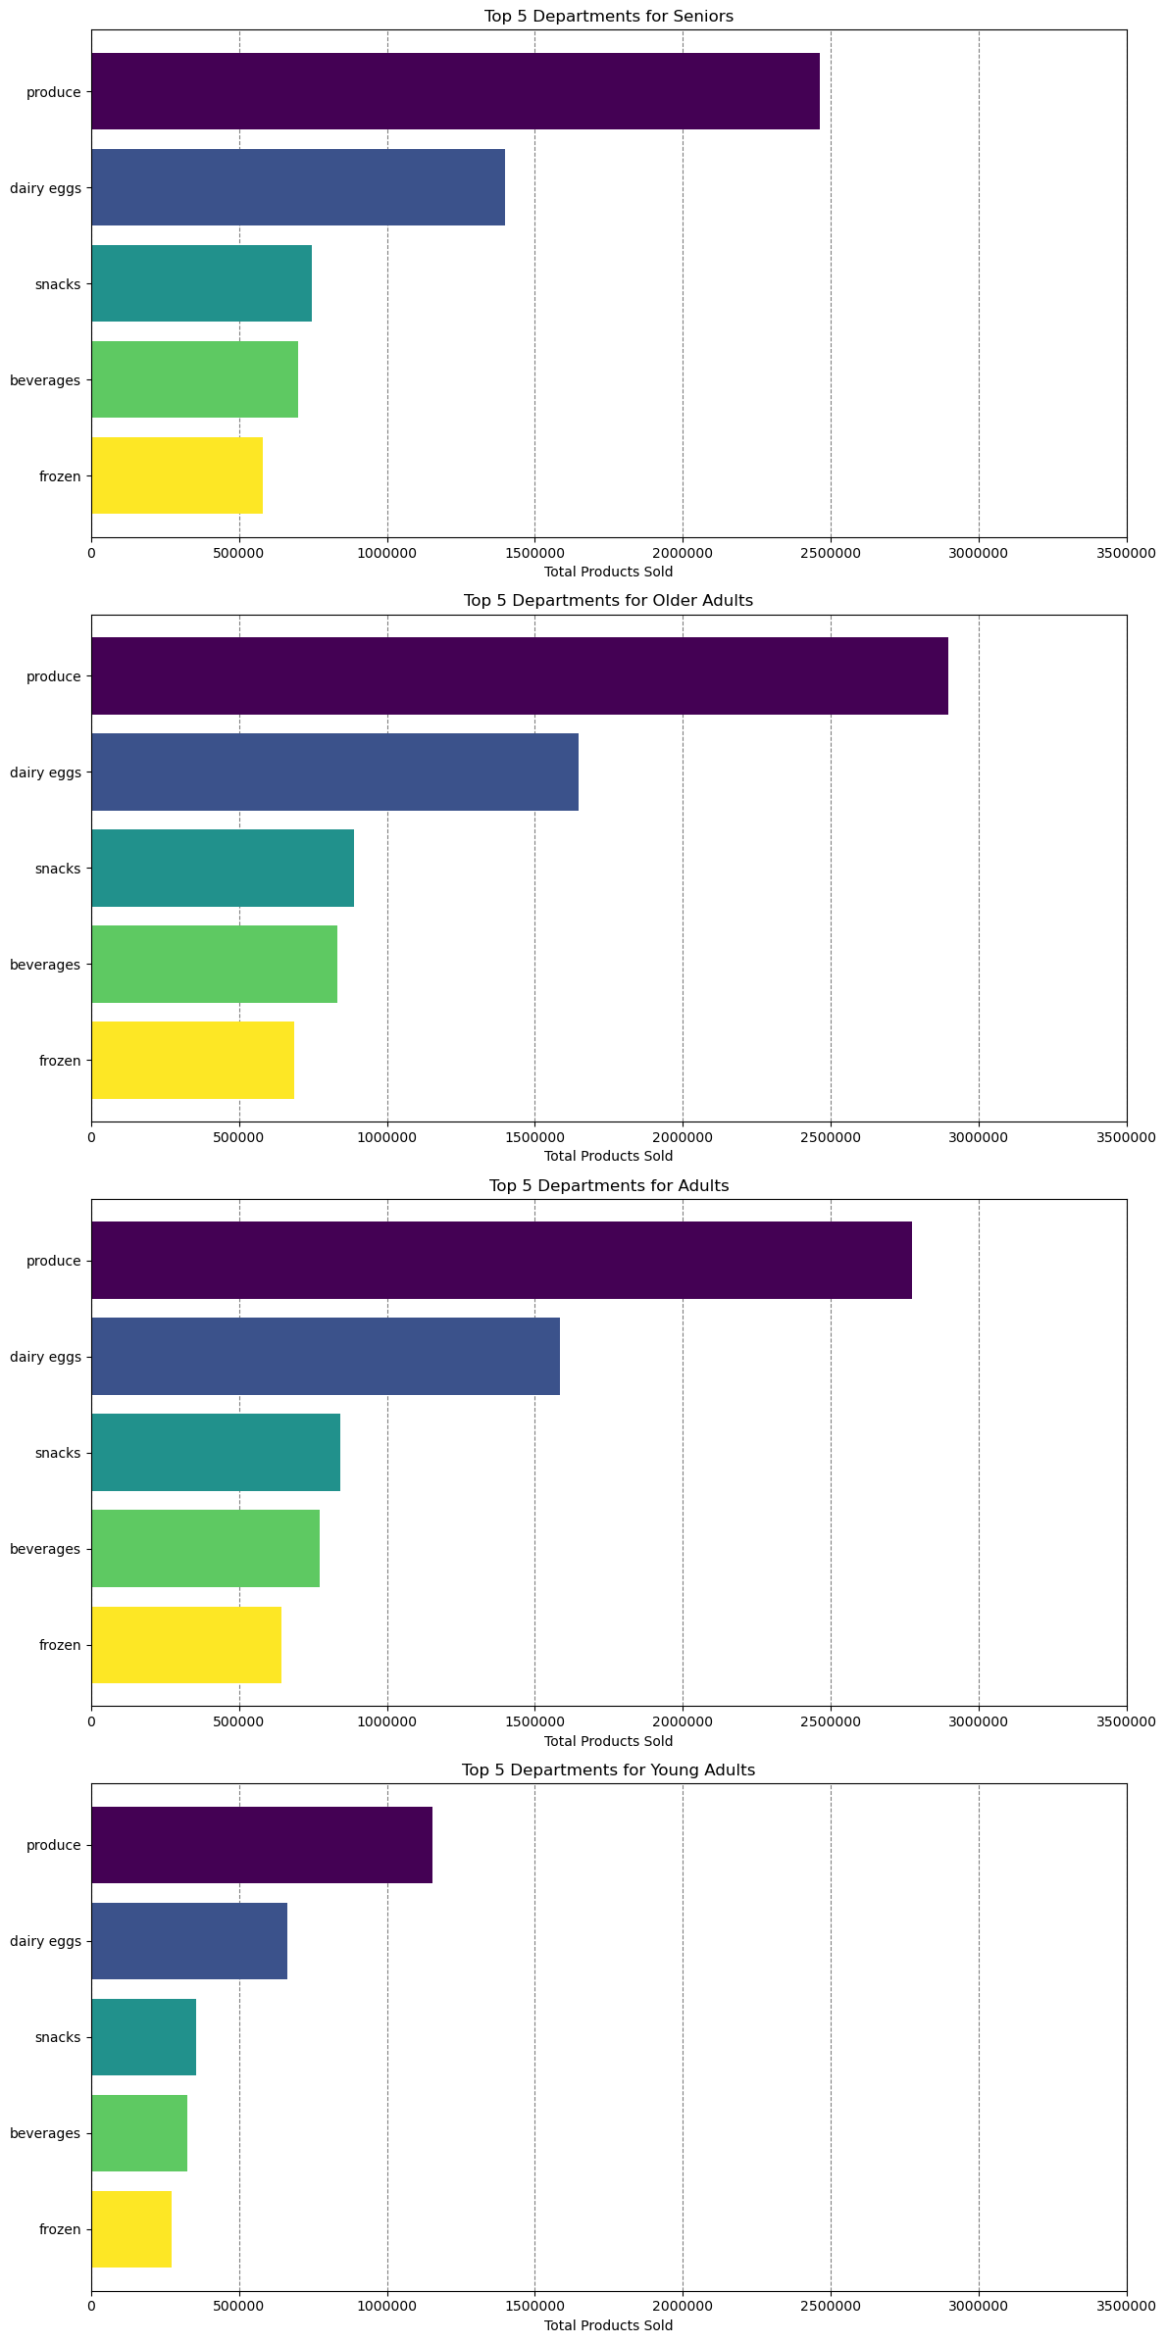
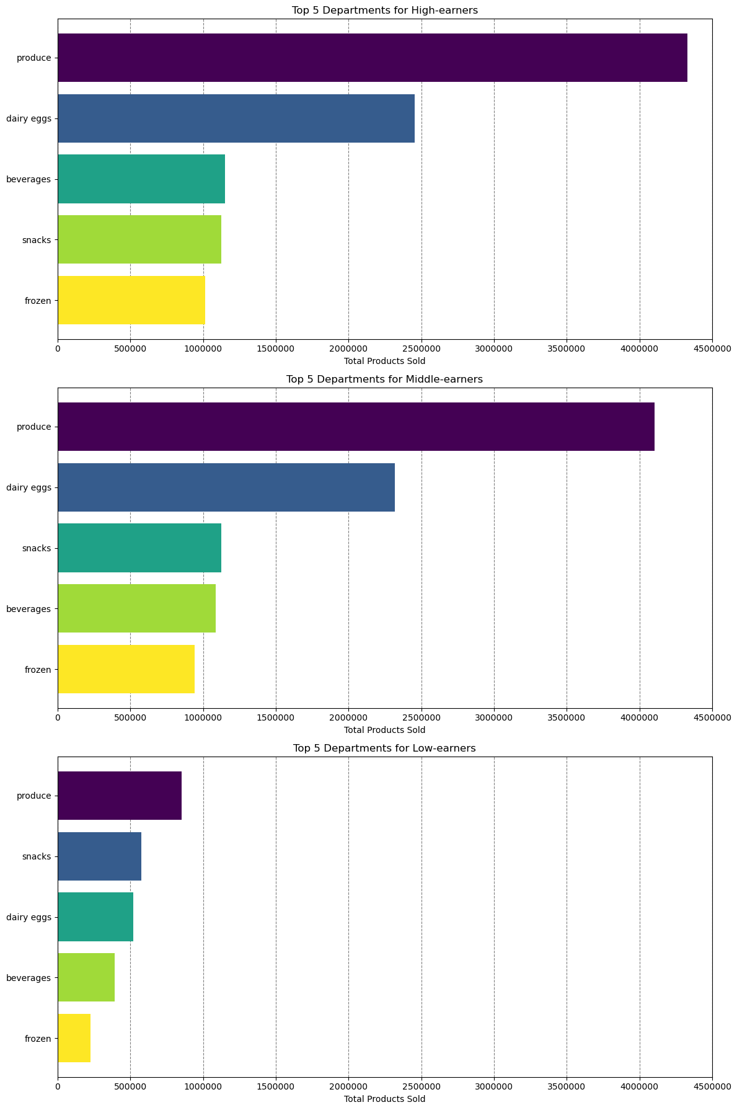
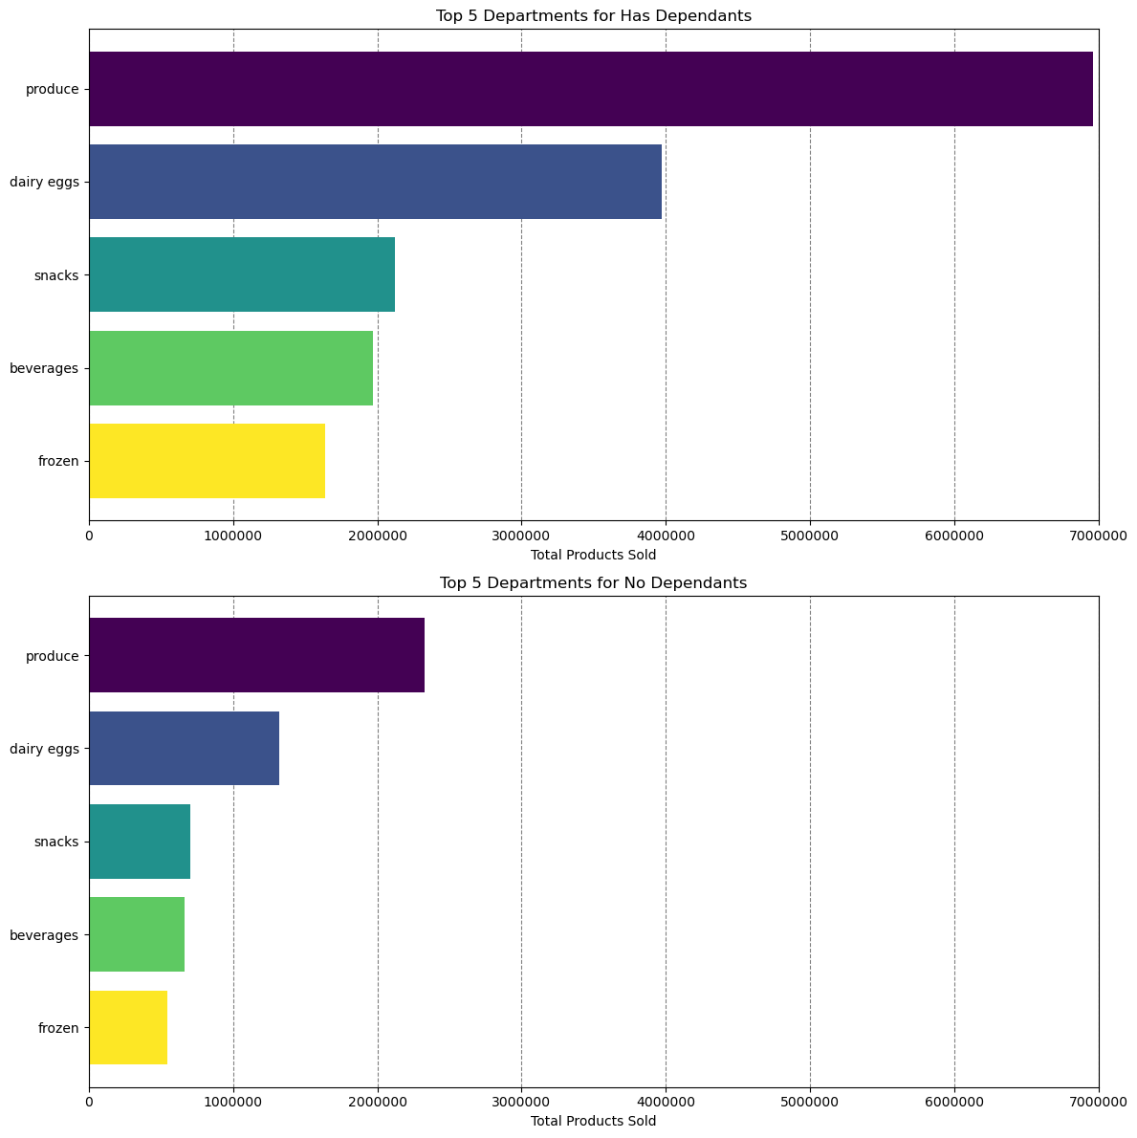

Analysis of Income Groups
The primary focus of this analysis was income groups, while other demographics like age and family status were also considered.
The findings reveal notable differences in spending patterns across different income groups.
Key Insights:
Spending Patterns:
Middle and High-Income Earners: These groups exhibit similar spending patterns, including average order total, order frequency, and product preferences.
Low-Income Earners: This group spends significantly less per order and shops slightly less frequently compared to their middle and high-income counterparts.
Department Preferences:
Produce Department: ‘Produce’ is the top department for all income groups, indicating a common preference for fresh fruits and vegetables.
Snacks Department: For low-income earners, the second-highest department is "snacks," which is a distinct difference from other income groups.
Interpretation:
The prominence of the "snacks" department for low-income earners suggests different shopping priorities. This trend might indicate that many low-income customers are not using Instacart for their primary grocery shopping. It is possible that this task is handled by a roommate or parent, leading these customers to use Instacart for supplementary or convenience purchases instead.
Analysis of Age Groups
The analysis reveals notable differences in spending patterns across different age groups.
Key Insights:
Spending Patterns:
Senior, Older Adult, Adult, and Young Adult Age Groups: These groups show similar spending patterns, including average order total, order frequency, and product preferences.
Department Preferences:
Produce Department: ‘Produce’ is the top department for all age groups, indicating a universal preference for fresh fruits and vegetables.
Dairy and Eggs Department: ‘Dairy and eggs’ rank as the second top department for all age groups, highlighting the importance of these staples in their shopping habits.
Interpretation:
The consistency in department preferences across age groups suggests that certain categories, such as fresh produce and dairy, are universally important. Despite varying life stages and potential differences in lifestyle, these core items remain constant in customers' shopping baskets.
Analysis of Family Status
The analysis reveals notable differences in spending patterns across different family status categories.
Key Insights:
Spending Patterns:
Families with Dependents and Families without Dependents: These groups display similar spending patterns, including average order total, order frequency, and product preferences.
Department Preferences:
Produce Department: ‘Produce’ is the top department for both family status categories, indicating a common preference for fresh fruits and vegetables.
Dairy and Eggs Department: ‘Dairy and eggs’ are the second top department for both family status categories, highlighting their significance in household shopping.
Interpretation:
The alignment in department preferences between families with and without dependents suggests that fundamental grocery needs are similar regardless of family composition. The prioritization of fresh produce and dairy products underscores their role as essential items in household consumption.

Instacart Customers distribution by Income level, Age group, and Family statuses across geographic regions

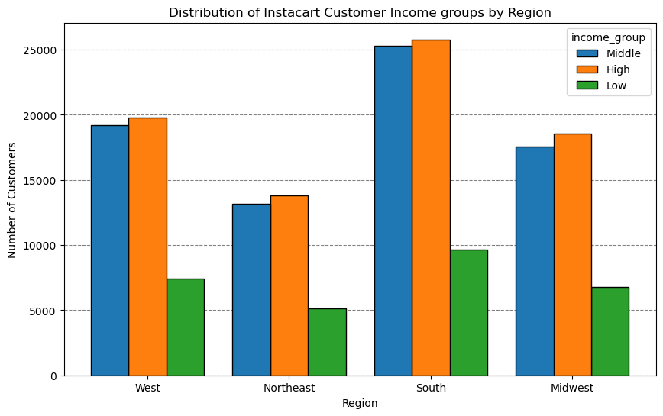
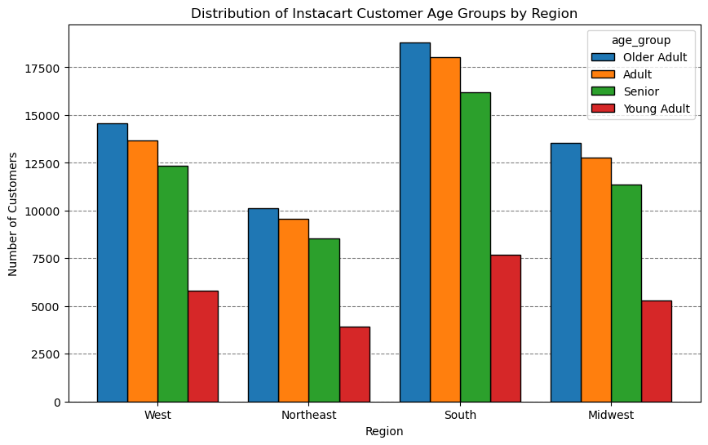
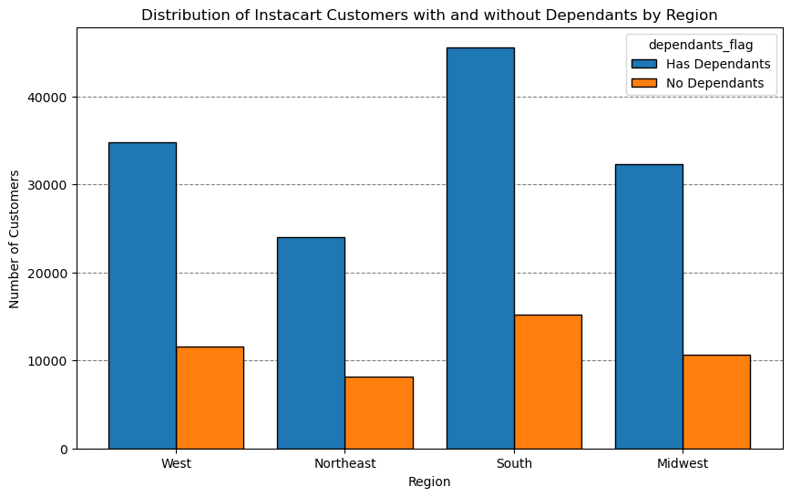

Observation:
Income Levels:
Southern Region Dominance: The South has the highest number of customers across all income levels (high, middle, and low). This indicates a strong market presence and diverse economic customer base in the South, making it a key region for targeted marketing efforts.
Age Groups:
High Age Diversity in the South: The Southern region also leads in age diversity, encompassing older adults, adults, seniors, and young adults. This wide age range suggests that marketing campaigns in the South can be effectively diversified to cater to different age groups.
Western Region as a Close Contender: The Western region follows closely behind the South in terms of age demographic representation, indicating another important market for age-targeted promotions.
Family Statuses:
Significant Customer Base with and without Dependents in the South and West: Both the South and West regions show the highest proportions of customers with and without dependents. This highlights the importance of these regions for family-oriented marketing strategies as well as for campaigns targeting single adults or couples without children.

7. Recommendations
Title page

Recommendations

Recommedations:
Marketing / Sales
Question: Instacart has a lot of products with different price tags. Marketing and sales want to use simpler price range groupings to help direct their efforts.
Recommendation: Implementing low, mid, and high price range groupings will allow the marketing and sales teams to better target their campaigns. This segmentation can streamline efforts and ensure that promotional materials are tailored to the appropriate audience, ultimately improving campaign effectiveness and customer engagement.
Question: Are there differences in ordering habits based on a customer’s region?
Recommendation: Focus aggressive marketing strategies on the Northeast region, as this area currently has the least number of customers across all profiling variables. By increasing marketing efforts here, we can tap into an underutilized market and drive growth in customer numbers and order frequency.
Promotions
Question: The sales team needs to know what the busiest days of the week and hours of the day are (i.e., the days and times with the most orders) in order to schedule ads at times when there are fewer orders.
Recommendation 1: Schedule advertisements between 5 PM and 8 AM, as these are the hours with the fewest orders. This timing will help capture the attention of customers during less busy periods, potentially increasing engagement and driving sales during off-peak hours.
Recommendation 2: The fewest sales occur on Tuesdays and Wednesdays. Offering promotions and special deals on these days could incentivize customers to place more orders, thereby increasing sales and balancing out the weekly order distribution.
Question: What’s the distribution among users in regards to their brand loyalty (i.e., how often do they return to Instacart)?
Recommendation: Develop and promote loyalty programs to encourage customers to order more frequently and consistently. Highlight loyalty status and offer benefits such as discounts on certain products and access to exclusive deals. This approach can strengthen customer retention and increase overall order frequency.
Question: They also want to know whether there are particular times of the day when people spend the most money, as this might inform the type of products they advertise at these times.
Recommendation: Analyze the types of products purchased during the early morning hours, as average spending is highest around 4 AM to 5 AM. This insight will help determine if promoting high-range products during these times is advantageous, potentially boosting sales of premium items.
Question: Instacart has a lot of products with different price tags. Marketing and sales want to use simpler price range groupings to help direct their efforts.
Recommendation: Investigate the relative underperformance of high-range products compared to low- and mid-range products. Assess whether this discrepancy is due to an actual difference in demand or simply the result of fewer high-range products being available. This analysis will inform whether adjustments in product offerings or pricing strategies are needed.
Question: What differences can you find in ordering habits of different customer profiles? Consider the price of orders, the frequency of orders, the products customers are ordering, and anything else you can think of.
Recommendation: Despite high-earners having more disposable income, their ordering habits are similar to those of middle-earners. Conduct surveys with high-income customers to understand their preferences and discover what enhancements or new products they would like to see from Instacart. Tailoring offerings based on this feedback could encourage greater spending and satisfaction among this demographic.
These recommendations are designed to address the key business questions and provide actionable insights for the Instacart stakeholders. By implementing these strategies, Instacart can optimize marketing efforts, improve customer engagement, and drive sales growth.

Instacart Customers distribution by Income level, Age group, and Family statuses across geographic regions
Insights and Implications
Regional Market Strength:
The findings indicate that the South and West regions have a significant hold on the Instacart customer base when considering three distinct profiling characteristics: age, income, and dependency status. This suggests that these regions are crucial for Instacart's market strategies and should be prioritized for future campaigns and resource allocation.
Marketing Strategy Recommendations:
Targeted Campaigns in the South:
Leverage the diverse economic and age demographic in the South by creating segmented marketing campaigns that cater to different income levels and age groups.
Promote family-friendly products and services, considering the high proportion of customers with dependents.
Focus on the Western Region:
Implement age-specific marketing strategies to appeal to the broad age range in the West.
Develop promotional offers that attract both families and individuals without dependents to maximize reach in this key region.
Actionable Steps:
Income-Based Promotions:
Design exclusive deals and discounts for high, middle, and low-income customers to increase engagement and loyalty across all economic segments in the South.
Age-Specific Advertisements:
Tailor advertisements to address the specific needs and preferences of different age groups, particularly in the South and West, where age diversity is prominent.
Family-Oriented Marketing:
Roll out family-oriented campaigns in the South and West, highlighting products that appeal to households with dependents.
By focusing on these strategic insights and recommendations, Instacart can enhance its market presence, drive customer engagement, and optimize sales across key regions.

Distinct spending patterns of Instacart customers, considering income levels, age groups, and family statuses, and how can this information be used to tailor marketing and promotional strategies?
Implications:
Understanding these nuances in shopping behavior can help Instacart tailor its services and marketing strategies more effectively. For instance, targeted promotions on snack items for low-income earners or special discounts on fresh produce might resonate well with these customers. Additionally, further research into the specific needs and preferences of low-income customers could uncover new opportunities to better serve this demographic and encourage higher engagement with Instacart's services.
Implications:
To leverage these insights, Instacart can:
Enhance marketing efforts around fresh produce and dairy products across all age demographics.
Develop targeted promotions and loyalty programs that emphasize these high-priority categories.
Explore additional product offerings and services that cater to the specific needs of each age group, while maintaining a focus on their shared preferences.
Implications:
To capitalize on these findings, Instacart can:
Focus promotional campaigns on fresh produce and dairy products to attract both family groups.
Design family-friendly shopping experiences that cater to the needs of households with and without dependents, such as meal planning tools and bulk buying options.
Investigate further into the specific needs and preferences within each family status group to offer tailored product recommendations and services.
These interpretations and implications provide a clear understanding of the spending behaviors and preferences of different income earners, age groups and family statuses, guiding Instacart's strategic decisions to better serve these customer segments.

Key Question: "What differences can you find in ordering habits of different customer profiles? Consider the price of orders, frequency of orders, products customers are ordering, and anything else you can think of."
Recommendations:
1. Income-Based Targeting:
High-Earners:
Promote premium and high-value products.
Offer exclusive deals and loyalty programs to retain high spenders.
Middle and Low-Income Earners:
Create affordable bundles and discounts to encourage more frequent purchases.
Implement targeted promotions to boost order value and frequency.
2. Unified Marketing Strategy for Age and Dependents:
Since spending patterns do not vary significantly across age groups and dependency status, a unified marketing strategy can be employed.
Focus on broad-based campaigns that appeal to a wide audience.
3. Frequency Improvement Programs:
For low-income earners, consider incentives like discounts on frequent purchases or loyalty points to increase purchase frequency.
By understanding these nuanced spending behaviors, Instacart can tailor its marketing and sales strategies to effectively target different customer segments, thereby optimizing revenue and customer satisfaction.

